Sheet1
M1000, Revision B Requirement | Compliance Status (Compliant = C, Partially Compliant = PC, Non-Compliant = NC, Alternate Approach = ALT, Not Applicable = NA) | Information (Objective Evidence of Compliance, Plan to Become Compliant or Definition of Alternate Approach)
Forward This document was created to establish a unified expectation of MRAS’ supply chain. This document is based upon international standards and MRAS customer requirements. This common set of core requirements is aimed to meet customer satisfaction, eliminate nonconformances and a clear exchange of requirements between MRAS and its supply base for the requirements of a supplier’s quality management system. Effectivity of this manual is three months from date of release. Suppliers are to provide a Quality Plan to MRAS Quality Representative or a compliance matrix to this and other supporting MRAS manuals. Where a supplier is not compliant a reasonable commitment date will be provided as agreed to by MRAS and tracked between the supplier and the assigned MRAS Quality Representative. Any new suppliers after the release date are expected to be fully compliant within three months of awarded purchase order or contract. New suppliers are to provide a compliance matrix to this and other supporting MRAS manuals. Where a supplier is not compliant a reasonable commitment date will be provided and tracked between the supplier and the assigned MRAS Quality Representative. All Documentation and Correspondences submitted to MRAS shall be in English unless otherwise authorized by the MRAS Quality Representative. No exceptions to this manual are allowed without any written confirmation from MRAS Supplier Quality and Sourcing Representatives. | NA | Forward no requirement
Table of Contents Forward …………………………………………………………………………………………………………………………….……………………………………2 Section 1 Scope ………………………………………………………………………………………………………………………………………………………4 Section 2 Normative References ……….………………………………….…………………………………….………………………………….……..4 Section 3 Terms and Definitions ……….……………………………………………………………………………………………………………………5 Section 4 Context of the Organization ………………………………….………….…………………………………………………….………………5 Section 5 Leadership ………………………………………………………………………………………………………………………………….…………..7 Section 6 Planning ……………………………………………………………………………………………….…………………………………………………7 Section 7 Support ………………………………………………………………………………….…………………………………………….…………………7 Section 8 Operations ……………………………………………………………………………….………………………………………..……………………9 Section 9 Performance Evaluation ……………………………………….………………….………………………………………………………..…19 Section 10 Improvement ……………………………….……………………………………………………………………………………………………..19 Appendix A Requirements for Ground Support Equipment & Tooling Suppliers …………………………………………………20 Appendix B Requirements for MRO Supplier…………………………………………………………………………………..……………………21 Appendix C Notice of Escape (NOE) ………………………………………………………………………………….…………………………….……22 Appendix D Submission of Supplier Submitted MRB …………………………………………………………….……………….………….…23 Appendix E Submission of Unusual Visual Condition …………………………………………………………….……………………….……24 Appendix F Alternate Inspection Schedule Approval Process………………………………………………………………………………25 Revision History…………………………………………………………………………………………………………………………………………………….26 | NA | Table of Contents no requirement
Section 1 Scope This supplier quality manual supplements the requirements of ISO9001/AS9100, AS13100, MRAS customer flow down requirements and unique requirements when doing business with MRAS. The manual is organized based upon the structure provide by the identified specifications shown above to better help suppliers navigate this manual. Suppliers are to follow all requirements established in ISO9001/AS9100/AS9120 & AS13100 based upon the suppliers’ scope of work (ref section 4E). Sections headers shown as numeric are aligned to ISO9001/AS9100/AS9120 & AS13100; any alpha paragraphs are requirements that are MRAS customer flow down and unique requirements.
Section 2 Normative References • AS13100 AESQ Quality Management Systems – Requirements for Aero Engine Design and Production Organizations • AS5553 Counterfeit Electronic Parts, Avoidance, Detection, Mitigation and Disposition • AS6081 Fraudulent/Counterfeit Electronic Parts: Avoidance, Detection, Mitigation, and Disposition ~ Distributors • AS6496 Fraudulent/Counterfeit Electronic Parts: Avoidance, Detection, Mitigation, and Disposition - Authorized/Franchised Distribution • AS6174 Counterfeit Material; Assuring Acquisition of Authentic and Conforming Material • AS9100 Quality Management Systems – Requirements for Aviation, Space and Defense Organizations • AS9102 Aerospace First Article Inspection Requirement • AS9120 Requirements for Aviation, Space and Defense Distributors • AS9145 Requirements for Advanced Product Quality Planning and Production Part Approval Process • AS9146 Foreign Object Damage (FOD) Prevention Program • GRP-0087 Safran Requirements for External Providers • ISO14001 Environmental Management – Life Cycle Assessment – Principles and Framework • ISO17025 General Requirements for the Competence of Testing and Calibration Laboratories • ISO2600 Guidance on Social Responsibility • ISO45001 Occupational health and safety management systems – Requirements with guidance for use • ISO9001 Quality Management Systems – Requirements • S-1000 GE Aviation Quality System Requirements for Suppliers • S-1002 GE A Supplier Requirement for Characteristic Accountability, Verification and Quality Planning • SCMH IAQG Supply Chain Management Handbook • M1002 Supplier Quality Planning • M1100 Supplier Self Release Agreement • M1200 Approved Processing Listing & Special Process Control • OHSAS18001 Occupational Health and Safety Management Systems - Requirements
Section 3 Terms and Definitions Any terms used in this manual will follow the definitions of ISO9001, AS9100, AS13100 and ISO9001. Any unique definition used by MRAS or its customers will be defined below. Ground Support Equipment Supplier (GSE) - A supplier that only supplies tooling, test equipment, process equipment, and repair tools required for the development, production, and maintenance of aircraft components. Notice of Escape (NOE)- Communication from supplier in the form of a nonconformance document which reports that nonconforming material/product has been delivered to MRAS. Part Family - A group of parts with similar processes, materials, complex form, and tolerances, which have been produced by similar manufacturing methods. Supplier Submitted MRB (SU Tag) – A written authorization accepting a configured item or other designated items, found to depart from specified requirements, but nevertheless is considered suitable for “use as is" or after repair by a MRAS Engineering approved method. Commonly referred to as a concession or waiver. Unusual Visual Condition (UVC)– A condition that detracts from the overall appearance of an item but is otherwise conforming to technical requirements. Even if the part meets engineering, it can still be rejected for a UVC. Examples are, but not limited to: Discoloration; Uneven surface condition; Evidence of rework/repair; Result of process change which alters the appearance of the part from parts shipped prior to the process change. | NA | Terms and Definitions no requirement
Section 4 Context of the Organization
A. Any organization from whom MRAS is procuring goods or services are commonly referred to as a supplier. As a MRAS supplier, it is the supplier’s responsibility for all conformity of their sub-tier suppliers’ processes, products and services, including those sources that have been identified by MRAS.
B. MRAS’ requirements are provided to our suppliers by way of long-term agreement, purchase order, engineering documents, OV Fab Manufacturing Instructions, specifications, and manuals. a. These documents are provided to give suppliers the relevant technical data and information when doing business with MRAS for products, processes, and services. This collection of documents will provide suppliers addressing design and development, special, critical, or key characteristic (including the use of statistical techniques), testing, inspection, and verification requirements. Additionally, this body of documentation proves the necessary approval needed for the release of goods and services. b. Interactions between suppliers and MRAS are based upon contract, purchase order for product definition, product, or process acceptance through various MRAS business tools. Where suppliers are unable to determine the relevant document in which to document or provide status, they are to contact the buyer who may assist in getting an authorized MRAS representative to assist in their need. c. Prime suppliers’ performances are periodically assessed through a combination of on-site audit and MRAS score cards based upon product conformity and on time delivery, and accreditations. These results are available to the respected suppliers for their review and information and incorporation of continuous improvement inside their organizations. d. It is required of the supply base to ensure personnel performing work on goods or services for MRAS that their employees have the necessary competency (including required qualifications, as necessary) and are aware of their contribution to product and/or service conformity, product safety and the requirement of ethical behavior when doing business with MRAS. e. A supplier is required to notify MRAS of changes to processes, product, or services, including changes of their external providers or location of the manufacture and obtain MRAS approval prior
C. Whereby contract, customer requirement or regulation disallows the use of online applications, suppliers shall use the appropriate form in place of the online application(s) referenced throughout this document. Prime Suppliers are responsible for ensuring: a. Their personnel utilize the appropriate form or online applications available. b. Any Sub-tier Supplier personnel utilize the appropriate form or online applications. c. The forms and online applications available are complete, accurate, reviewed and/or approved by the appropriate personnel prior to their submittal to MRAS. d. Notifying the appropriate MRAS Quality Representative (QR) of any inadvertent use of online applications.
D. Reviews & Audits a. Suppliers shall participate in and fully support various types of reviews or audits when MRAS requests, within normal accepted business practice between organizations. These may occur at the prime manufacturing source including sub-tier(s). The Suppliers shall collaborate with MRAS on scheduling, preparing, and conducting reviews and audits, arranging process walks, documenting findings, identifying root causes and corrective actions, and driving to closure in a timely manner. Scheduling audits is a collaborative effort involving both the supplier and MRAS representatives. b. Consideration will be given to the availability of relevant personnel for onsite participation and availability to observe hardware process steps through the entire manufacturing cycle. An initial response to any formal corrective actions taken shall be documented in the appropriate MRAS directed format when required, within the prescribed time limit.
E. QMS Certification Requirements Organization Type QMS Approval (Minimum Requirements) Make to Print & Design and Manufacture 9100 Registration Distributor 9120 or 9100 Registration Special Process 9100 Registration, NADCAP and/or MRAS Approval Raw Materials and Industry Standard Parts ISO9001 Registration Ground Support Equipment ISO9001 Registration Tooling Suppliers ISO9001 Registration or MRAS Approval MRO ISO9001, AS9110 or Aviation Regulator Approval External Calibration or Laboratory Service Provider ISO17025 or National Equivalent (e.g. UKAS, COFRAC, NIST) Castings & Forgings Produced to a Proprietary Design 9100 Registration Note – Deviations to the minimum requirements can be acceptable on an individual basis, provided the supplier can provide evidence that the subscribed QMS accreditation meets most of the requirement and supplemented with a separate Quality Plan ensuring all requirements have been met. Gaps wills be assessed by MRAS to ensure compliance to the requirements.
F. For ground support equipment and customer tooling suppliers who provide material or services reference Appendix A for Quality Management System Requirements.
G. For MRO Suppliers providing goods and services reference Appendix B for Quality Management System Requirements
Section 5 Leadership
A. Supplier’s management commit to the consideration of Aviation Safety Management System basics: • Establish a fair and equitable culture of trust where employees are encouraged to report any event that could have a potential impact on Aviation Safety; • Raise awareness or train staff on Aviation Safety issues, including Organizational and Human Factors; • Identify and proactively manage Aviation Safety risks, review them internally on a regular basis and report them to MRAS within 24 hours for any risks that could impact flight safety; • Implement a system that enables its staff to report any event that could have an impact on Aviation Safety; • Define objectives related to Aviation Safety.
B. Suppliers are encouraged to be accredited or subscribe with an industrial risk prevention system based upon environmental protection and social protection norms, e.g. ISO14001, ISO45001, ISO23000, OHSAS18001
C. Suppliers are to notify MRAS within 48 hours, in the event of a serious accident (death, permanent disability, etc.), an environmental accident with an environmental impact, or in the event of injunctions or warnings from any regulatory agency. In the event of any one of these incidences the supplier shall provide MRAS with a cause analysis and action plan to MRAS Sourcing Group.
D. Supplier shall provide full access to all facilities and records (until their retention period) and provide persons to conduct surveillances, investigations, assessments and inspections relating to realization of product and services supplied to MRAS. Persons include MRAS representatives and customers; Regulatory authorities, or their appointed representatives; third parties mandated by MRAS; contracting parties accompanying MRAS representatives or performing work on behalf of MRAS.
E. Suppliers shall respond within the time limit requested for any MRAS request for a meeting or for additional information or clarification. If the time limit is not achievable, the supplier will provide a reasonable alternate time limit.
F. Organizational roles, responsibilities and authorities shall be described in supplier’s procedures describing the responsibilities assigned and powers of delegation to all parts of the organization.
Section 6 Planning
A. Suppliers are required to have a risk mitigation plan as it affects MRAS available upon request.
B. Suppliers shall take action to prevent HSE accidents; manage their HSE risks (fire, explosions, chemical risks, spills, pollution, etc.); and encourage to minimize their environmental impacts (reduction of greenhouse gas emissions, water consumption or waste, etc.)
Section 7 Support
A. Suppliers should preserve working and employment conditions by minimizing the use of short-term employment contracts to adapt to fluctuations in load/capacity balance in the short term, mid-term and long term for key or technical roles.
B. Any captive lab or supplier outsource services for monitoring and measuring resources or testing facility shall be under the governance of ISO17025. Outsourced services (calibration and product testing facilities) are required to be an accredited ISO17025 laboratory.
C. Doing business with MRAS requires that supplier provide support for its DSQR program as specified in M1100.
D. Suppliers shall inform MRAS in writing in a reasonable time frame of any change which could impact MRAS, including but not limited to: change in management (including quality manager); merger/acquisition, change of shareholder; changes to certification or accreditation (requires MRAS notification within 48 hours); change of information systems, e.g. ERP and product life cycle management, etc.; violation of IT security systems.
E. Suppliers training criteria for its employees: • Fraud and falsification awareness and establish a prevention plan. • Foreign Object and Detection and established prevention plan (based upon AS9146)
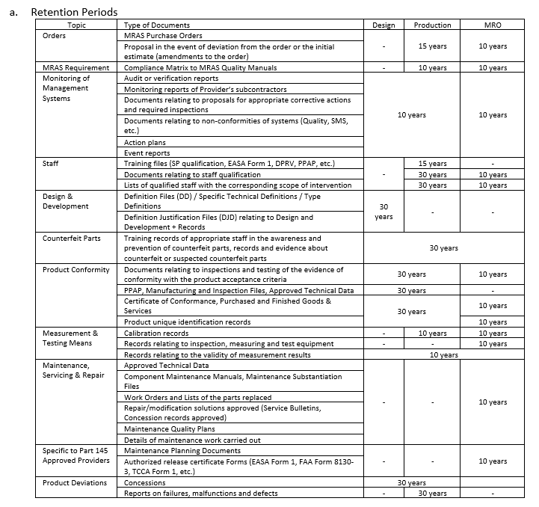 F. Record Retention
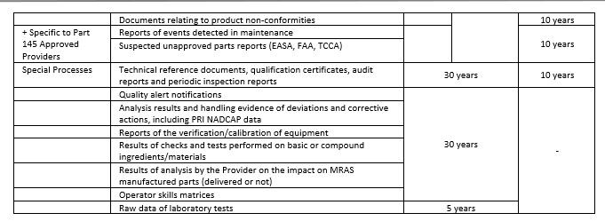
b. Documented Information Retrieval Timescales Suppliers shall ensure documented information (data) required for review is available for MRAS, MRAS’s customer, and/or Regulatory Agency within 1 working day of notification for the following part categories: Prime Reliable, Life Limited or Sensitive Parts. Records for all other part categories shall be made available for review within three working days of notification.
c. Where electronic data storage is used, suppliers shall document and issue a procedure ensuring that all their data is protected from cyber/virus attacks and have a formal disaster recovery plan.
Section 8 Operation
8.1.1 Operational Risk A. As soon as a contract/purchase order has been reviewed the supplier shall carry out an analysis of its load/capacity across its external supply chain, this analysis shall be reviewed annually and during any sudden or significant change in demand. The supplier must assess the impact and alert MRAS.
B. The supplier shall appoint a single point of contact with authority over all project’s design, industrialization, quality, performance management, supply chain management, risk analysis, etc.
C. The supplier shall implement a project management strategy (organization, scorecards, project reviews, key meetings with MRAS and/or Authorities, management of critical resources) with its milestone planning. Periodic status review will be arranged by MRAS representatives with supplier support. Milestone validation in compliance to the agreed defined criteria.
D. The supplier will inform MRAS of major changes of its infrastructure or its industrial model (including activity transfer, etc.) and carry out risk analysis relating to this change. Supplier will submit the results of this analysis to MRAS prior to the implementation of these changes.
E. In case of a transfer of activity (from one the supplier’s sites to another or from supplier to a subcontractor to another subcontractor) a transfer plan shall be defined and implemented. The plan will address, as a minimum: an analysis of the risk related to the transfer and schedule; the identification of key skills; validation activities (including APQP per AS9145 & AS13100, and a Last Article Inspection using AS9102 & M1002); delivery continuity and safety stock. Plans will be made available at MRAS’s request. For guidance consult IAQG’s SCMH. Supplier plans are subject to MRAS additions based upon its customers’ requirements.
F. Suppliers are to document and publish a process for managing obsolescence throughout the entire life cycle of product, from design to withdrawal from service, including spares. The minimum requirement of this plan is to include: detection of obsolescence at the earliest known opportunity; and communicate to MRAS any planned and reported obsolescence during design, service life and associated action plans.
8.1.2 Configuration Control A. When there are changes to specifications that affect deliverable product, suppliers are to adopt within 12 months from date of receipt unless otherwise directly specified in the purchase order.
B. When MRAS Engineering packet calls out a specific revision of a specification that may not be to the current released revision, suppliers are to follow the specified revision. Should suppliers find it necessary to operate to the current released version, the supplier is to raise a Source Problem Reports (SQ-1100) for clarification and further direction.
C. Supplier Problem Report Process (SPR) a. Source Problem Reports SQ-1100 located at https://www.mras-usa.com/support-services/supplier-resources is used to: • Request for Drawing or Specification Interpretations • Approval of Specification Options • Producibility requests • MRAS Drawing errors b. The supplier completes the form and submits the document to their MRAS Quality Representative via email. Ensure that a need by date for an answer is clearly stated in the document to prevent any delays in a supplier’s delivery. c. The MRAS Quality Representative will review and ensure the document gets to the Subject Matter Expert (SME). d. The SME will forward their response to MRAS Quality Representative who will convey to the supplier any updates, interpretations or needed actions. e. The source may resume hardware shipments only after product conforms to current drawing, spec, and all other quality requirements are met OR alternately under current MRB approval. Note: The SPR process is not a substitute for drawing, specification, or significant operation changes controlled by other requirements.
D. The supplier must have a published and issued counterfeit parts protection program established meeting the requirements of AS 5553, AS 6081, and AS 6496 for electronic suppliers and AS 6174 for nonelectronic suppliers.
8.2 Requirements for Products and Services A. Supplier communication methods are extended to MRAS by allowing access to third party databases to see supplier certification and their certification audit data.
B. When the engineering documents specify any of these symbols:
C. Where the engineering documents do not specify key or interchangeable characters, the supplier is to select a minimum of 1 supplier variable controlling characteristic.
D. All reporting of Key, Interface, Major, Minor and Supplier selected Controlling Characteristics are to be uploaded into Net-Inspect’s APQP Module at a frequency established between the supplier and MRAS Quality Representative. Frequency will be identified inside of the supplier’s control plan.
E. Order of precedence shall be: 1st Long Term Agreement 2nd MRAS Purchase Order (including M64) 3rd OV Fab 4th Engineering Data Package 5th MRAS Specifications 6th Industry Specifications 7th MRAS Supplier Requirements (M-series Documents)
8.3 Design and Development of Products and Services No Additional Requirements
8.4 Control of Externally Provided Products and Services A. A supplier’s material and special process control system shall include: • Their purchase order flow down will include the requirements of M1000 and M1002 and its referenced documents to all sub-tier suppliers.
B. The supplier’s purchased raw material and Special Process control system shall assure that: a. Material and special process test reports (i.e. material certification, certificate of test) are available and maintained on file for all material received. Test results used for product acceptance must be obtained from an ISO17025 or NADCAP certified laboratory. 1. Material and Special Process Test results shall reflect all requirements of the drawing and/or specification and conform to drawing and/or specification limits. Documented evidence of this conformity shall include a listing of each material element or test result in the applicable test report. The applicable test report, which shall be signed by a cognizant test laboratory person, shall clearly describe whichever of the following is correct (equivalent wording is permitted): • All tests and inspections have been performed and results meet the drawing and/or specification requirements, or • All tests and inspections have been performed and the results meet all the drawing and/or specification requirements, except _____________, which does not meet requirements, or • All tests and inspections have been performed and the results meet all drawing and/or specification requirements, except test(s) ___________, which was not performed per the drawing and/or specification requirements 2. Material received is the material represented by the Material or Special Process Test Report, and properly identified per drawing and/or specification. 3. Material shall remain identified until its identity is necessarily obliterated by processing. 4. Excess processing material will not be returned to storage until its proper identification has been re-established and restored. 5. Material shipped as the final product shall be validated by test reports and subsequent processing. 6. Personnel responsible for the review of material and special process test reports shall be trained to read and confirm test results. 7. The method
b. When material or special process services are subcontracted, the supplier shall provide the subcontractor with a procurement document that reflects the applicable drawing and/or specification number and revision, test requirements to be performed, and a request for a certified report of all tests performed.
c. Materials test by laboratories not ISO17025 or NADCAP accredited shall institute an audit testing plan for materials and special processes to ensure data received is representative of the material and the material is in conformance with requirements. The plan is subject to MRAS disapproval. As a minimum the plan is to include: 1. Provisions shall be established for: • Initial testing requirements to qualify for auditing (quantification shall be by material specification and material source) • Subsequent auditing requirements • Criteria for disqualification to audit and for requalification • Incorporation of specific appetence testing requirements when defined through the procurement documents • Auditing testing shall be performed by a testing laboratory other than the one used by the material source. 2. When audit tests are performed, for the following alloy types, full testing to the specification is not necessarily required. The follow strategies may be used: • Nickel & Cobalt-Elevated and/or room temperature tensile, chemistry and microstructure. • Titanium, Iron & Aluminum-Room temperature tensile, chemistry and microstructure. • All other raw materials (not listed above) shall be tested to the extent required to verify full compliance with the material specification.
d. When raw material is procured from a source other than the raw material manufacturer (i.e., from a distributor, etc.) each lot of raw material requires the original raw material marking (i.e., roll stamp, punch stamp) and is directly traceable to the certified testing laboratory material certificates from the original material manufacturer. Should raw materials pass through multiple organizations, certifications from original material manufacturer and all to have possessed the material through the final procuring organization, all possessors’ certifications will remain on file at the final procuring organization.
e. If material identification is lost, the material cannot be used on items that have a traceability requirement (i.e., serial number or lot number).
f. Material with lost traceability may be used on items without traceability requirements upon full material specification testing.
g. When material is supplied directly from MRAS, the supplier shall verify that the material arrived in good condition. No additional or certification is required. However, evidence is required that the material was shipped from MRAS, e.g. shipping document.
C. Fastener suppliers (including distributors that repackage fasteners) shall utilize optical inspection systems on 100% of all fasteners shipped, directly to MRAS. All plans for visual inspection of fasteners shall be submitted by part type to MRAS for approval. Evidence of MRAS Quality Representative approval can be an email or signature on the supplier’s plan. Excluded items require MRAS Quality approval. a. Inspection Plan for nuts (internally threaded) shall include the following: external features, crimp and thread detection, and part marking detection/verification as applicable. Nuts used in assemblies (i.e., nut plates, gang channels) can be inspected prior to assembly. b. Inspection Plan for bolts (externally threaded) shall include the following: external features, thread detection, and part marking detection/verification as applicable. c. Inserts shall be inspected prior to key installation per the above requirements for both internally and externally threaded items.
D. The use of MRAS designated Special Processes • Suppliers are to consult the M1200 for the process description and specification and the level of control MRAS requires to respective processes. For those processes controlled under NADCAP accreditation, it is the supplier’s responsibility to control their processor under the requirements of AS9100/AS13100 and this manual.
8.5 Production and Service Provision 8.5.1 All characteristics on all parts must be accounted for and verified on products and services provided to MRAS. Requirements for characteristic accountability, verification and product acceptances are defined in MRAS’ quality manual M1002.
8.5.1.2 Validation and Control of Special Processes A. When a special process as defined in M1200 requires MRAS oversight identified as “MRAS” control, a request for qualification is required. The minimum requirements for request for qualification: a. On Requestor’s Company Letterhead a written request for process qualification • Which process? • Process to be performed by whom? • What specification(s) the requesting organization intends to meet? • What MRAS part numbers would be impacted (if known)? • Will this request be for only internal manufacturing, or will this service be available to other performing work to other MRAS external suppliers? • When would the facility be ready for MRAS audit, as necessary? • Date full qualification requested to be completed. b. Complete MRAS Onboarding Workflow (Web Invite) c. Preliminary Qualification Package • List of 3rd party accreditations with scope for manufacturing center(s) as well as testing center(s) used. Clear description to indicate those centers are captive or external. • Summary of 3rd party findings from accreditation activities. • Description of procession facility, i.e., tank sizes, sequence of movement throughout shop, chemical storage etc. • Descriptions of controls used, i.e., chemicals used, environmental controls, lot size definition, testing frequencies. d. Proposed Procedures & Shop Controls • Processing and test procedures • Samples of shop travelers/routers • Test results and visual standards, as applicable • Additional requirements per applicable specification(s) ▪ Time and temperature control ▪ Procedures for non-conforming product ▪ Auxiliary procedures ▪ Storage procedures
B. All suppliers, sub-tiers and processors utilizing Nadcap accreditation shall allow affiliation through PRI for MRAS when requested by MRAS SQE in eaudit.net.
8.5.1.3 Production Process Verification A. FAI’s are to be completed per M1002 accounting for all engineering defined characteristics, including those defined under DPD (reference AS9102, M1002 and M1003) must be accounted for and verified on products and services provided to MRAS.
B. All FAI’s are submitted to through Net-Inspect, located at www.net-inspect.com/Authentication/Login.
C. MRAS reserves the right to conduct surveillance of the supplier’s FAI. This may include in-process inspections to be accomplished during the performance of the supplier’s FAI. When required, MRAS Quality Representative will notify the supplier’s Quality representative ahead of time. The supplier is to coordinate and schedule the activity with the MRAS Quality representative prior the start of related procurement, manufacturing and/or processing. During this event, the supplier is to make available to the MRAS representative: • Applicable purchase document, material/process certifications, manufacturing and inspection records; including inspection plans developed to identify progressive inspection points for the FAI because of coordination and planning with MRAS Quality representative • Applicable design data • Applicable material review actions • Applicable acceptance and qualification test results
D. Product & Process Verification – These requirements shall be met through compliance to AS9145, AS13100 and M1002 APQP and PPAP deliverables. a. The APQP deliverables will follow AS13100 and based upon the type of change (i.e., new design, design change, new process, process change, work transfer, new design extremely low volume, specific to process tooling/refurb, negligible process change). b. The manufacturing risks will dictate the minimum APQP deliverables required to be submitted and approved by MRAS. The MRAS and Supplier’s Quality Representatives will coordinate a kick-off meeting agreeing on the final PPAP elements to be retained at the supplier’s location and/or submitted. PPAP elements shall be documented in Net-Inspect located at www.net-inspect.com/Authentication/Login. c. PPAP elements that are not required to be submitted shall be retained by the supplier and be available for review upon request. d. APQP will be required only when a “new part number” by way of rolling the revision level, new MRAS part number or a new part number to the supplier. e. Exceptions to APQP requirements are those MRAS part numbers that begin with 491B, 491C, 491E, 491J 601C, 604C, 608C, 70M through 76M; MRO, GSE and raw material suppliers. Requirements for AS9102 are still required.
E. When a supplier elects to move a part approved by MRAS on a FAI, before the shutdown of operations from one facility or as major transfer of work; the supplier will submit a full FAI as a last article inspection per M1002. Prior to delivery of any production from the new facility or major transfer or work, the supplier will submit and receive MRAS approval prior to shipment unless directed in writing from MRAS Quality Representative. • If there was or was not standing APQP documentation, the supplier is to comply with section 8.5.1.3C.
F. Unless otherwise directed, all new and delta PPAP must have a MRAS Supplier Quality Representative full or interim approved Production Submission Warrant prior to shipment. Approvals for all PPAP deliverables will be shown in Net-Inspect under the FAI and APQP modules.
8.5.2 Identification and Traceability A. Serial Numbers a. Each MRAS Product Definition specifying the marking of serial number requires that the item be marked in accordance with the marking specification identified in the Product Definition, with a unique serial number, applied at the Product Definition level. NOTE – MRAS serial numbers required by a lower-level Product Definition shall not be removed or remarked unless so required by the drawing. b. Suppliers serial numbers shall: • Contain eight (8) alphanumeric characters. • The first three characters of the serial number shall always be the same three-digit serial number prefix. This prefix is selected by the supplier, unique to the supplier and not be a duplicated to any other known supplier providing parts to MRAS. • The remaining five characters are assigned by the supplier. • The last 5 digits may be alpha-numeric except that the eight letters B, I, O, Q, S, V, X and Z shall not be used. • Serial numbers shall not be duplicated for any reason (even across other programs); regardless of the part or assembly identification number, design, function, or usage (i.e., engine or other product application) of the item. • Any MRAS assigned serial number shall be used only for items that are to be supplied to MRAS or their agent, either directly or through another manufacturer who supplies them directly to MRAS. If product is provided to a customer other than MRAS or their agent, or other source manufacturer, MRAS assigned serial numbers shall not be used. • Serial numbers shall be assigned, using a logical method that is documented in an issued procedure. This procedure is subject to review and approval by the MRAS. • Once a serial number has been used to identify an item, (i.e., either a unique piece of hardware or associated paperwork), it shall only be changed under controlled conditions and when there is a clearly documented process that maintains the proper traceability including original serial number, ne
B. Lot Numbers Requirements When a MRAS Product Definition requires the application of a lot number; • Lots are formed by grouping items: having the same part number; manufactured under essentially the same conditions; and at essentially the same time. Typical lots would be formed from a single heat, a single melt, or single heat-treat batch. • Once a specific lot number has been assigned, that lot number shall not be re-assigned. Note: This applies even if the parts involved are dissimilar in identification, design or function. • Once a lot number has been used to identify manufacturing or inspection records, it shall only be changed under controlled conditions and when there is a clearly documented process that maintains the proper traceability to include, at a minimum: original lot number, newly assigned lot number, and reason for change. • Lot numbers shall be limited to a maximum of eight (8) alphanumeric characters. • When lot numbers are included as part marking, the eight letters, B, I, O, Q, S, V, X and Z shall not be used.
C. When MRAS does not specify the use of serial or lot numbers in the Product Definition, the supplier is strongly encouraged to use serial or lot numbers as defined by their own procedures to ensure that in the event of determining any point of control, the supplier can determine the extent of any issue; e.g. nonconformance, process change, etc.
8.5.3 MRAS Property A. MRAS Supplied Material a. If material is purchased by MRAS and drop-shipped directly from a manufacturer, the supplier is responsible to verify that the shipment has evidence of compliance. Including but not limited to, traceability to the material manufacturer, lot numbers, Certificate of Conformance and all specification required lot testing results. A copy of the shipping-certification packet is to be forwarded to the buyer. b. If MRAS supplied material is drop-shipped directly from a manufacturer and the status is found to show evidence of noncompliance, the supplier receiving the material shall contact their responsible MRAS Quality Representative for direction and to coordinate subsequent release activities.
B. MRAS supplied tool is to periodically verify when in the supplier’s possession. The supplier periodically inspects MRAS tooling to a documented and issued procedure to the minimum requirements of AS9100 and AS13100. Any tooling that is believed to be non-compliant or suspect, the supplier will contact the MRAS buyer for direction and to coordinate subsequent activities. Note – Any supplier owned tooling used to manufacture parts for MRAS are to have a documented and issued procedure per the minimum requirements of AS9100 and AS13100.
8.5.4 Product Preservation • Suppliers shall have a documented and issued procedure describing the methods used to protect products to be delivered to MRAS. At a minimum this procedure is to address practices the supplier uses to prevent deterioration, corrosion, foreign object removal (based upon AS, and any special handling and storage requirements. The procedure is to address the verification, cleaning and protection prior to and during delivery. • For all metallic parts, there is to be no metal-to-metal contact – this practice is expected throughout the manufacturing operation where the final machined surface is exposed to potential scratches, burs, or dissimilar metals. • Suppliers shall have a documented and issued procedure describing its Foreign Object Damage (FOD) prevention program in accordance with AS9146 (or equivalent). The FOD program shall include design, manufacturing, and process controls to prevent Foreign Object Debris in deliverable items. The program shall also provide initial and periodic FOD prevention awareness training. The Supplier shall ensure that FOD program requirements are flowed down to the supplier’s subcontractor/sub-tier suppliers. A Supplier’s FOD program is subject to a MRAS audit and may be disapproved. • When FOD caps installed on product delivered to MRAS, they shall be of high visibility color (red or yellow) and fit in such a manner to require deliberate removal.
8.5.5 Post-Delivery Activities. A. In the event the supplier becomes aware or suspect that non-conforming material may have shipped to MRAS, refer to Appendix E Notice of Escape (NOE).
B. Suppliers receive feedback on their products and services from a MRAS supplier scorecard. When a supplier’s performance does not meet the minimum composite score and product conformance, the supplier to agree to work with MRAS to develop and implement processes designed to improve the quality performance through the entire product lifecycle. Improvement processes are to include sufficient detail allowing MRAS to evaluate the supplier’s progress. It is on the supplier to put forth a plan to show how it intends to meet the minimum requirements. Failure to do so will require MRAS Quality Representative to escalate within MRAS which may lead to the disqualification of a supplier, as a last resort. • Suppliers with a product acceptance rate below 99%, may be subject to a supplier funded source inspection. This is be imposed at the discretion of MRAS Quality. The sourcing inspection service requires MRAS approval. • The supplier funded source inspection will be independent of the supplier final inspection, and before the MRAS DSQR’ inspection.
C. If a supplier is no longer able to supply product and services (including special processes), MRAS Sourcing Group will issue a formal letter notifying the supplier that they are not long able to supply MRAS with any products or services. This may be done for all products and services or reduced to only a limited number of parts or services.
8.6 Release of Products and Services A. When product release DSQR authorization has been delegated, suppliers shall follow the requirements M1100 Supplier Self Release.
B. When there is no arrangement in place under M1100, suppliers are to clearly identify on the packing list, “Route to MRAS Receiving Inspection” or similar wording.
C. Advance shipping notices (ASN) shall be created in the supplier portal. If an ASN cannot be generated, the supplier shall contact their MRAS buyer for further direction. All required shipping records are to be electronically submitted within the (ASN) of the supplier portal.
D. Parts that cannot be fully released will be documented on a MRAS Q1017S, e.g., part for fit check, open nonconformance. Your MRAS buyer will provide a MRAS approved Q1017S document. Ensure a copy of this approval is attached to the packing list.
E. For shipments from supplier to supplier to be dropped ship to MRAS shall have a documented and issued procedure addressing an effective risk release process in place between both suppliers and clear visibility of each suppliers’ responsibility for the inspection process and subsequent DSQR (per M1100) activities. This may require a special agreement between the purchase order holding supplier and MRAS; consult your MRAS Quality representative. Before of any implementation this procedure requirements MRAS Quality Representative Approval.
F. Time and Temperature Sensitive materials will have at least 80% of their shelf life remaining when it arrives at MRAS
G. A supplier’s Certificate of Conformance shall contain: a. A Certificate of Conformance (C of C) shall be provided with each lot. The C of C shall include a statement that the items meet the requirements of the purchase order and specifications referenced on the drawing and/or purchase order. b. Supplier name and address c. Serial number(s), Date code(s) or Lot number(s), if applicable d. MRAS purchase order number e. Quantity of parts in shipment f. Part number on purchase order g. Statement certifying product compliance h. Applicable Specifications including revision i. Part revision j. Signature or stamp of authorizing agent k. Original Manufacturer name and site of manufacture l. Date of C of C m. Shelf life, if applicable n. Description o. Customer name p. Country of Origin q. Reference to any MRAS approved supplier nonconforming material report forms (SU Tag or UVC numbers).
8.7 Control of Nonconforming Outputs A. When MRAS notifies a supplier that their products have been nonconformed, within 48 hours or prior to next shipment, whichever is first, the supplier is to update the DSQR logs requiring the MRAS DSQR to inspect 100% for said nonconformance. This heightened DSQR inspection may be lifted once the supplier has effectively implemented corrective action.
B. Supplier Submitted MRB (SU Tag) When product in nonconforming to drawing or specification the supplier is to submit a Supplier Submitted MRB form to their MRAS Sourcing member. Only those parts that have been manufactured can be submitted on a Supplier Submitted MRB form. Using this form to knowingly make MRB is forbidden. These forms are located at www.mras-usa.com/support-services/supplier-resources. Reference Appendix F.
C. Unusual Visual Condition (UVC) a. MRAS has the sole discretion to determine if a product contains an Unusual Visual Condition (UVC). Potential UVC concerns shall be submitted to MRAS prior to shipment, per Appendix C. Where the supplier does not notify MRAS of a potential UVC prior to delivery, the supplier will be responsible for return/rework/repair/scrap costs if the UVC is unacceptable. The following list of UVCs is not a comprehensive list of UVC’s but is included here for reference so that both MRAS and its suppliers may act in good faith when reviewing and submitting a UVC. b. Examples include, but not limited to: • Tool marks, witness marks, steps, clamping depressions, die marks/drag, cutter feeds and dwell marks, cutter insert scallops and other machining discontinuities. • Scratches, chips, gouges, nicks, burrs, dents, marring and other surface blemishes which stand out to the unaided eye • Uneven or discolored paint, primer, anodic coatings, plating, passivation, burns, chemical process pits, corrosion or other surface treatments which stand out to the unaided eye • Obvious signs of poor workmanship such as legibility issues, FOD / FOD hazards, large parting lines, fingerprints, and messy application of shelf-life materials • Signs of material degradation such as corrosion, rust, and discoloration • Components which are visually obviously different than typical product • Signs of Repair or Rework. Note: submitting a UVC to MRAS does not constitute submission of an NOE. Suppliers are encouraged to submit a UVC to MRAS when substantiation warrants use of the product, but the product visually stands out when inspected. c. If the visual appearance violates an engineering requirement or is a result of a repair, see Supplier Submitted MRB.
Section 9 Performance Evaluation
A. Suppliers are to inspect and verify that all products or services including those components procured from or furnished by subcontractors, suppliers, or MRAS conform to MRAS requirements prior to shipment. Supplier is responsible for all tests, inspections, and other controls of the product during receiving, manufacture and through their certification of conformance. Copies of test, inspection and other control data are to be included with the shipment per the purchase order and/or made available to MRAS upon request.
B. Alternate Inspection Frequency Plan Unless otherwise approved under the requirements of Appendix G for Alternate Inspection Schedule, supplier’s are required to perform 100% inspection.
C. Internal Audit Part of a supplier’s internal annual audit plan is to include one part per family-product audit. A first article report is to be completed per M1002. All engineering defined characteristics including those contained in the digital product definition are to be completed and remain on file as a record of a supplier’s internal audit record. Results of each product audit is to be discussed with the MRAS Quality Representative during periodic scheduled discussions.
Section 10 Improvement
A. When a corrective action is requested resulting from an audit finding, nonconforming product or performance, the supplier is to submit a corrective action report in the allotted time. When a supplier cannot respond within the allotted time, the supplier is to submit a written request for extension, subject to MRAS approval. The request is to include the reason for the extension and the additional time needed to complete the report.
B. Suppliers may use their own 8D format provided all the requirements of MRAS’ 8D are contained within the Supplier’s format. However, there may be times MRAS will have to prescribe other corrective action formats other than the suppliers or MRAS. This will be communicated through the assigned MRAS Quality representative.
C. MRAS reserves the right to reject any or all parts of the supplier submitted corrective action and has the right to request subsequent investigation and/or corrective action requests. If the supplier is late in responding to corrective action requests, MRAS reserves the right to withhold acceptance of shipments at the supplier until the supplier’s corrective action is submitted to MRAS’ satisfaction.
Appendix A Requirements for Ground Support Equipment & Tooling Suppliers (GSE) GSE supplier are exempt from any APQP requirements.
Appendix B Requirements for MRO Supplier Exception / Limitation to Doc. M1000 and OEM contractual requirements: • MRA Systems, LLC – FAA, MRO 145 Repair Station requirements for Suppliers and Contract Maintenance shall refer to the accepted, FAA 145 Repair Station and Quality Manuals for applicable process and procedures. • The MRAS OEM procurement process for MRA Systems, LLC, FAA 145 Repair Station will require certification from any Suppliers utilized to facilitate the customer commitment of the Repair Station. Required certification will be in the form of the following: 1. Certified FAA Form 8130-3. 2. Signed Certificate of Conformance to the specifics of the Purchase Order with the FAA traceability requirement.
Appendix C Notice of Escape (NOE) A. When the supplier suspects or determines non-conforming product has been inadvertently released, the supplier shall notify their MRAS Supplier Quality Representative, followed by email or phone communication with assigned Sourcing agent. B. Any Design Authorities non-conforming product, regardless of suppliers Material Review Board disposition that impact customer interface characteristic, shall notify MRAS Quality Representative, followed by email or phone communication.
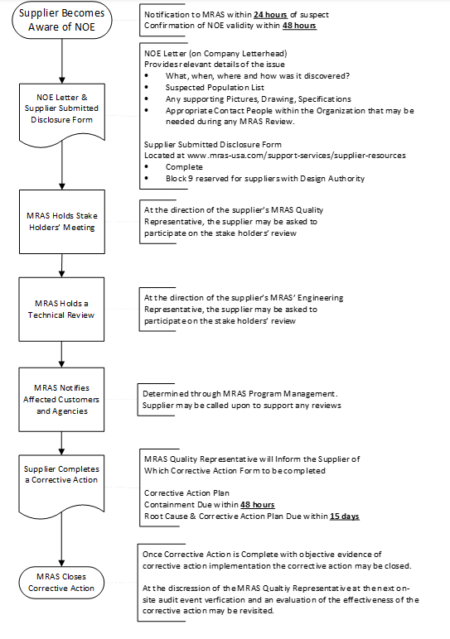
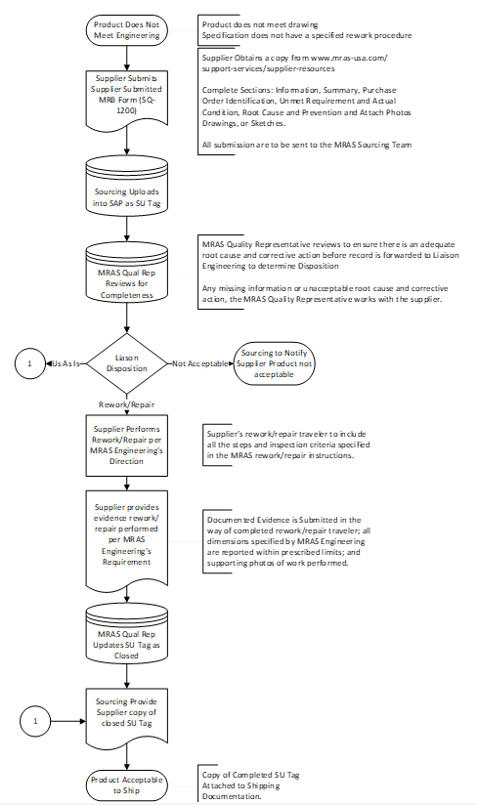 Appendix D Submission Supplier Submitted MRB

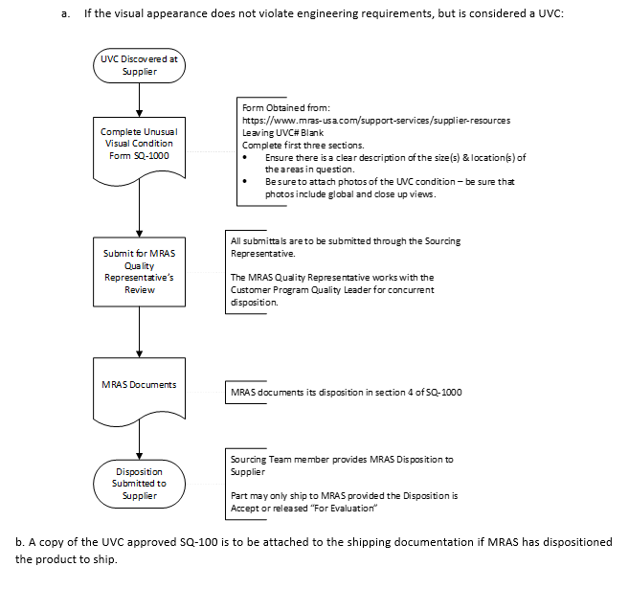 Appendix E Submission of Unusual Visual Condition

